TransportationCost
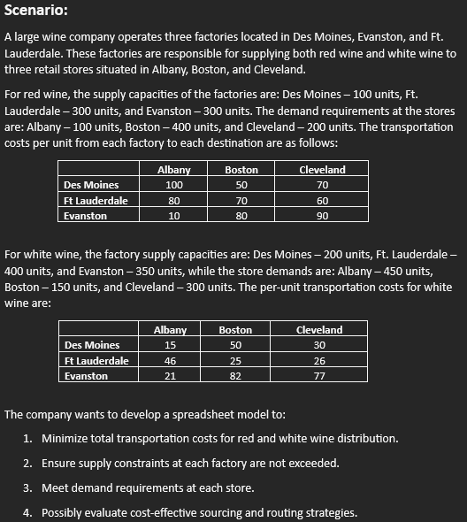
Wine Company
 |  |  |  |  | Key-
Factories in: | Des Moines, Evanston, Ft Lauderdale |  |  |  |  | Decision Variables
Stores in: | Albany, Boston, Cleveland |  |  |  |  | Objective Function

RED WINE |  |  |  |  |  |  | WHITE WINE
 |  | Destination |  |  |  |  |  |  | Destination
Data Table: |  | Albany | Boston | Cleveland | Supply |  | Data Table: |  | Albany | Boston | Cleveland | Supply
Factory | Des Moines | 100 | 50 | 70 | 100 |  | Factory | Des Moines | 15 | 50 | 30 | 200
 | Ft Lauderdale | 80 | 70 | 60 | 300 | Shipping Costs |  | Ft Lauderdale | 46 | 25 | 26 | 400 | Shipping Costs
 | Evanston | 10 | 80 | 90 | 300 |  |  | Evanston | 21 | 82 | 77 | 350
 | Demand: | 100 | 400 | 200 |  |  |  | Demand: | 450 | 150 | 300
 | Total Demand: | 700 |  |  |  |  |  | Total Demand: | 900
 | Total Supply: | 700 |  |  |  |  |  | Total Supply: | 950
 |  | Destination |  |  |  |  |  |  | Destination
Shipment Table: |  | Albany | Boston | Cleveland | Output: |  | Shipment Table: |  | Albany | Boston | Cleveland | Output:
Factory | Des Moines | 0 | 100 | 0 | 100 | =SUM(C18:E18) | Factory | Des Moines | 150 | 0 | 50 | 200 | =SUM(K18:M18)
 | Ft Lauderdale | 100 | 0 | 200 | 300 | =SUM(C19:E19) |  | Ft Lauderdale | 0 | 150 | 250 | 400 | =SUM(K19:M19)
 | Evanston | 0 | 300 | 0 | 300 | =SUM(C20:E20) |  | Evanston | 300 | 0 | 0 | 300 | =SUM(K20:M20)
 | Demand: | 100 | 400 | 200 |  |  |  | Demand: | 450 | 150 | 300
 |  | =SUM(C18:C20) | =SUM(D18:D20) | =SUM(E18:E20) |  |  |  |  | =SUM(K18:K20) | =SUM(L18:L20) | =SUM(M18:M20)

Objective: (min) |  |  |  |  |  |  | Objective: (min)
Cost: | $49,000 | =SUMPRODUCT(C10:E12,C18:E20) |  |  |  |  | Cost: | $20,300 | =SUMPRODUCT(K10:M12,K18:M20)

TOTAL COST: | $69,300 | =SUM(B25,J25)

Summary Sentence:
Based on the Excel business model, the company’s transportation data outlines supply limits at each factory and demand requirements at each store for both red and white wines, along with per-unit shipping costs between all factory-store combinations. This enables the development of a spreadsheet model that uses these values to minimize total transportation costs while satisfying all supply and demand constraints—providing a basis to explore the most cost-effective sourcing and routing strategies.

Profit Calculation
Wine Company
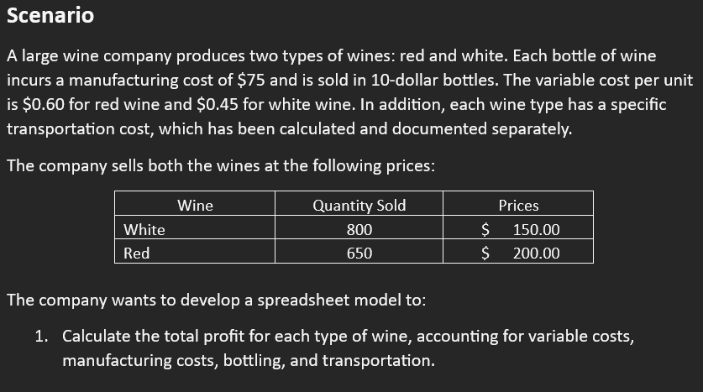
Wine | Quantity Sold | Prices
White | 800 | $150.00
Red | 650 | $200.00

Costs:
Variable Cost: (W) | $0.45 | per unit
Variable Cost: (R) | $0.60 | per unit
Bottles: | $10 | per unit
Manufacturing: | $75 | per unit
Transportation: | $69,300 |  | =TransportationCost!B27
Supply of WHITE Wine | 950 |  | =TransportationCost!K15
Supply of RED Wine | 700 |  | =TransportationCost!C15
Total Supply | 1650 |  | =SUM(B13:B14)

Total Cost: | $210,397.50 |  | =SUMPRODUCT(B8:B10,B13:B15)+B11*B15+SUM(B12:B12)

Total Revenue: | $250,000.00 |  | =SUMPRODUCT(B4:B5,C4:C5)

Monthly Profit: | $39,602.50 |  | =B19-B17
Yearly Profit: | $0.48 | Millions | =(B21*12)/1000000

Summary Sentence:
The spreadsheet model shows that after accounting for all costs and revenues, the company earns a total profit of $39,602.50 from selling red and white wines and $0.48 million yearly.

NPV Calculation
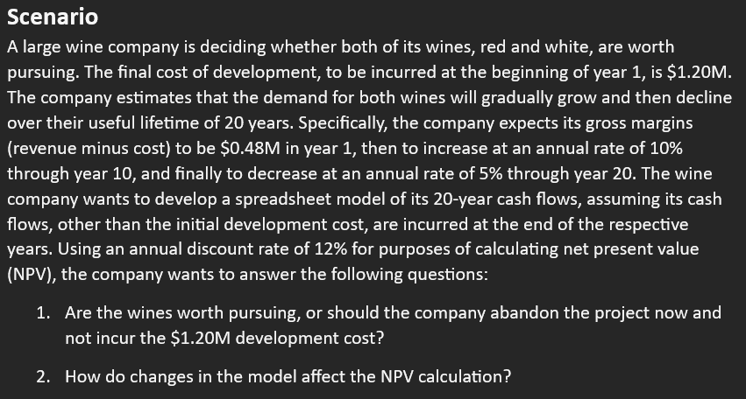
Wine Company
 |  |  | Cash Flows:
Development Cost: | $1.20 | Millions | End of Year: | Gross Margin ($M): | Formulas used:
Lifetime: | 20 | Years | 1 | $0.48 | =B5
Year 1 Margin: | $0.48 | Millions | 2 | $0.52 | =IF(D5<=$B$6,E4*($B$7+1),E4*(1-$B$8))
Inc through year: | 10 |  | 3 | $0.58 | =IF(D6<=$B$6,E5*($B$7+1),E5*(1-$B$8))
Rate of increase: | 10% |  | 4 | $0.63 | =IF(D7<=$B$6,E6*($B$7+1),E6*(1-$B$8))
Rate of decrease: | 5% |  | 5 | $0.70 | =IF(D8<=$B$6,E7*($B$7+1),E7*(1-$B$8))
Discount rate: | 12% |  | 6 | $0.77 | =IF(D9<=$B$6,E8*($B$7+1),E8*(1-$B$8))
 |  |  | 7 | $0.84 | =IF(D10<=$B$6,E9*($B$7+1),E9*(1-$B$8))
(Net) Present Value: | $5.55 | =NPV(B9,E4:E23) | 8 | $0.93 | =IF(D11<=$B$6,E10*($B$7+1),E10*(1-$B$8))
Development Cost: | $1.20 | Millions | 9 | $1.02 | =IF(D12<=$B$6,E11*($B$7+1),E11*(1-$B$8))
 |  |  | 10 | $1.12 | =IF(D13<=$B$6,E12*($B$7+1),E12*(1-$B$8))
Net Present Value: | $4.35 | Millions | 11 | $1.06 | =IF(D14<=$B$6,E13*($B$7+1),E13*(1-$B$8))
 |  |  | 12 | $1.01 | =IF(D15<=$B$6,E14*($B$7+1),E14*(1-$B$8))
 |  |  | 13 | $0.96 | =IF(D16<=$B$6,E15*($B$7+1),E15*(1-$B$8))
 |  |  | 14 | $0.91 | =IF(D17<=$B$6,E16*($B$7+1),E16*(1-$B$8))
 |  |  | 15 | $0.87 | =IF(D18<=$B$6,E17*($B$7+1),E17*(1-$B$8))
 |  |  | 16 | $0.82 | =IF(D19<=$B$6,E18*($B$7+1),E18*(1-$B$8))
 |  |  | 17 | $0.78 | =IF(D20<=$B$6,E19*($B$7+1),E19*(1-$B$8))
 |  |  | 18 | $0.74 | =IF(D21<=$B$6,E20*($B$7+1),E20*(1-$B$8))
 |  |  | 19 | $0.71 | =IF(D22<=$B$6,E21*($B$7+1),E21*(1-$B$8))
Graph for NPV- |  |  | 20 | $0.67 | =IF(D23<=$B$6,E22*($B$7+1),E22*(1-$B$8))
Cash Flows

 |  |  |  |  | Summary Sentence:
 |  |  |  |  | The NPV analysis shows the wine project is financially viable with a positive NPV of $4.35 million, and while the outcome is favorable, it remains sensitive to key factors like initial cost, growth and decline rates, year 1 margins, and the discount rate.

